When do I need a QIA
FINAL QIA PROCESS AND FORM APPROVED BY CNO, CMO, DIRECTOR OF INTERGRATED GOVERNANCE APRIL 2023 - VERSION 1
 |  | Salsibury NHS Foundation Trust

Quality Impact Assessment Process

Quality Impact assessment requirements

You should complete a risk assessment & mitigate/manage the risk in line with Risk Policy
NO
End

Is this a PLANNED change?

Score is LESS than 8 or <£50k
Proceed with change. Monitor to ensure no adverse impact
End
Rapid QIA signed-off by change owner and saved centrally for records
Complete a Rapid Quality Assessment
YES

CHANGE NOT APPROVED
Change should not go ahead
Score is MORE than 8 or >£50k
Approved QIAs submitted to CMO / CNO for approval
Full QIA completed - must be signed off by change owner
Submit to DMT for discussion & sign off
Key Quality Indicators (KQI) monitored by DMT & change owner
6 month review, along with KQI data to be provided to CMO / CNO
CHANGE APPROVED proceed to implementation

All PLANNED changes require a quality impact assessment. If the change has not yet taken place and can be assessed BEFORE being implemented it should follow the planned flow process above. A risk assessment should be used when the change has already happened (e.g. unexpected change) and then a risk assessment should be used.

* Business cases which set out a change to a service should include a QIA as part of the business case pack (monitored via Trust Investment Group)

If you need an assistance in completing your QIA please contact: | sft.transformationandinformatics@nhs.net

QIA Introduction & Guidance
Salisbury Foundation NHS Trust

Quality Impact Assessment (QIA) Guidance

Purpose
QIAs should be carried out on all planned changes to patient services as service redesign. QIAs are not required where changes will not impact on patient services. The aim of the QIA is to i) assess the change in advance to ensure it does not have an adverse impact on quality of care and that any risks can be mitigated and ii) identify outcomes, processes or balancing measures for ongoing monitoring. It also provides the opportunity to stop the change before it takes place is the risk is deemed too high.

Scope
The impact assessment is to be completed prior to a change being initiated.
All planned changes must have a rapid quality assessment completed. Those which are of high value (>£50k) or have a risk score of 8 or above require a full QIA.

Completing the QIA
For each planned change an assessment should be carried out against the domains of patient experience, patient safety, clinical effectiveness and workforce impact based on the current position i.e. does it make the position better or worse based on the current position. You should also consider any potential impact on other services, including the wider health and social care system.
The impact might be positive (an improvement) or negative (a risk to our ability to deliver high quality care). Where projects have a positive impact only and no potential risks have been identified this should be stated in the narrative.
Business cases which set out a change to services, or service development, should include a QIA as part of the business case pack to Trust Investment Group

Risk Identification
Use the Risk Matrix on the Scoring tab to assess the risk score and identify the mitigating actions you will put in place against each risk you identify.
Risks identified from the QIA must be entered in appropriate Risk Registers, including the project risk register.

Risk Management
Action to be taken following identification of QIA risk score:
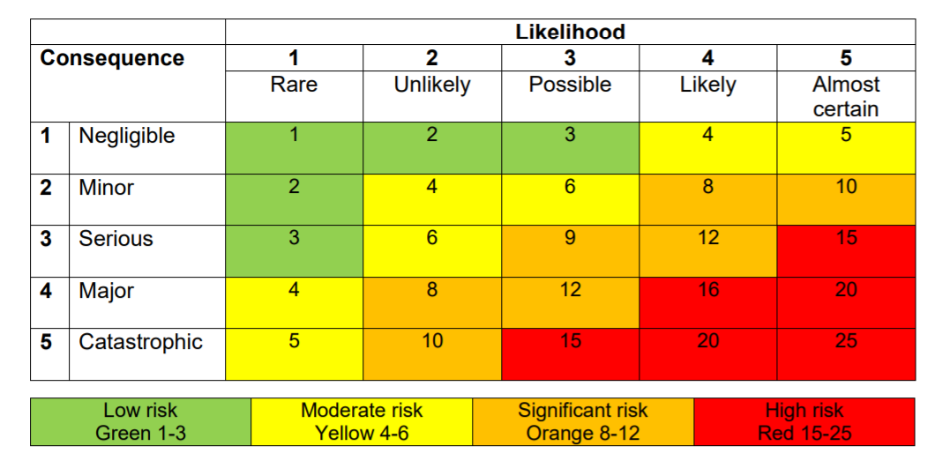

Key Quality Indicators & Monitoring
Full QIAs should include the Key Quality Indicators (KQIs) which you will actively monitor after the change has taken place to ensure the mitigations you had planned, and are deploying, are working. Plans should identify an indicator that can be used to monitor performance so any potential quality concerns can be identified and addressed early. In choosing a measurable, it may be helpful to think: • Consider a measure that will allow you to monitor the change - how will you know if your mitigation is working? • Consider measures from your existing performance dashboards which will give an early warning of any unintended negative consequence, e.g. infection rate, readmission rate, LOS, patient complaints • Consider whether the data readily available so that it can be collected easily

Scoring
Score each risk which you have identified separetely. You do not need to add the risk scores together. Once complete select the highest scored risk and this is the risk score of your change.

Approval & Monitoring
It is the responsibility of the change owner to complete the QIA. These are not the responsibility of Divisional Management Teams. Once complete, rapid assessments should be shared for information with your Divisional Management Team or Project Board and saved where they can be called up during a QIA audit. No further action is needed.
All full QIAs must be approved by the Divisional Head of Nursing/Clinical Director and then reviewed by the Chief Nursing Officer and Chief Medical Officer. Clinical Management Board will assume the role of the QIA review panel and these will be reviewed when a QIA arises. QIAs should be submitted for sign off to sft.transformationandinformatics@nhs.net . QIAs must be signed by your DMT clinical leaders or the SRO of the project before submission for final approval. On an annual basis CMB will report QIA approvals and risks to Clinical Governance Committee. Any concerns arising from QIAs discussed at CMB will be escalated on a case by case basis.

Legal Requirement
Section 242(1B) of the NHS Act 2006, as amended by the Local Government and Public Involvement in Health Act 2007 (LGPIH Act) came into force on 3 November 2008. It is still in force and provides that :
Each relevant English body must make arrangements, as respects health services for which it is responsible, which secure that users of those services, whether directly or through representatives, are involved (whether by being consulted or provided with information or in other ways) in
(a) The planning of the provision of those services
(b) The development and consideration of proposals for changes in the way those services are provided
(c) Decisions to be made by that body affecting the operation of those services.
Subsections (b) and (c) need only be observed if the proposals would have an impact on:
- The manner in which the services are delivered to users of those services or
- The range of health services available to those users.
The duty to involve users or potential users under 242(B) is a legal requirement whether an OSC is consulted or not. The legal duty falls both on the commissioners of health services and onto those providing services, including FTs and private providers.

